Analysis
Analysis
Report
Dashboard
1.Total Salary
Salaries | 5.Salary / Location |  | 7.Salary / Experience Correlation
4.96M | Row Labels | Avg_Salaries | Row Labels | Avg_Salaries | 8.Salary / Department
 | Philadelphia | $9,624 | 0 | $5,808 | Row Labels | Avg_Salaries
 | Houston | $9,648 | 1 | $6,348 | Finance | $9,485
1.Employees | Denver | $9,731 | 2 | $6,528 | HR | $8,216
Employees | Seattle | $9,806 | 3 | $7,416 | IT | $12,153
500 | Fort Worth | $9,927 | 4 | $7,836 | Marketing | $8,974
 | San Jose | $10,275 | 5 | $8,115 | Operations | $9,320
 | Indianapolis | $10,571 | 6 | $7,882 | R&D | $11,624
3.Locations | Grand Total | $9,925 | 7 | $8,836 | Sales | $9,155
Locations |  |  | 8 | $8,817 | Grand Total | $9,925
7 |  |  | 9 | $9,717
 |  |  | 10 | $9,713
 |  |  | 11 | $10,173
4.Departments |  |  | 12 | $10,604
Departments | 6.Salary / Education |  | 13 | $10,678 | 9.Top 10 Jobs
7 | Row Labels | Avg_Salaries | 14 | $10,835 | Row Labels | Avg_Salaries
 | BSC | $9,817 | 15 | $11,644 | Marketing Executive | $7,453
 | High School | $9,952 | 16 | $12,042 | HR Assistant | $7,696
 | Master | $10,198 | 17 | $11,602 | HR Manager | $8,237
 | PhD | $9,756 | 18 | $12,015 | Sales Manager | $8,429
 | Grand Total | $9,925 | 19 | $13,131 | Recruiter | $8,642
 |  |  | 20 | $12,214 | Operations Executive | $8,808
 |  |  | 21 | $13,863 | Account Manager | $8,908
 |  |  | 22 | $13,721 | Finance Manager | $9,126
 |  |  | 23 | $13,648 | Accountant | $9,342
 |  |  | 24 | $14,713 | Marketing Manager | $9,350
 |  |  | 25 | $16,005 | SEO Specialist | $9,417
 |  |  | 26 | $16,182 | Operations Manager | $9,471
 |  |  | 27 | $15,154 | Logistics Coordinator | $9,542
 |  |  | 28 | $17,913 | Sales Executive | $10,008
 |  |  | 29 | $14,154 | Financial Analyst | $10,237
 |  |  | 30 | $16,074 | Research Analyst | $10,707
 |  |  | 31 | $17,084 | IT Manager | $11,926
 |  |  | 32 | $19,552 | Software Engineer | $11,956
 |  |  | 33 | $13,251 | Data Scientist | $12,050
 |  |  | 34 | $20,543 | R&D Manager | $12,415
 |  |  | 37 | $16,899 | System Admin | $12,670
 |  |  | Grand Total | $9,925 | Grand Total | $9,925

Dashboard
Salary Analysis
Dashboard
Total Salaries
4.96M
#Employees
500
#Locations
7
#Departments
7
Analysis
Report

Dashboard
Filters
Avg Salary By Location
 | Total
Philadelphia | $9,624
Houston | $9,648
Denver | $9,731
Seattle | $9,806
Fort Worth | $9,927
San Jose | $10,275
Indianapolis | $10,571
Salary - Experience Correlation
 | Total
0 | $5,808
1 | $6,348
2 | $6,528
3 | $7,416
4 | $7,836
5 | $8,115
6 | $7,882
7 | $8,836
8 | $8,817
9 | $9,717
10 | $9,713
11 | $10,173
12 | $10,604
13 | $10,678
14 | $10,835
15 | $11,644
16 | $12,042
17 | $11,602
18 | $12,015
19 | $13,131
20 | $12,214
21 | $13,863
22 | $13,721
23 | $13,648
24 | $14,713
25 | $16,005
26 | $16,182
27 | $15,154
28 | $17,913
29 | $14,154
30 | $16,074
31 | $17,084
32 | $19,552
33 | $13,251
34 | $20,543
37 | $16,899
Top 10 Jobs
 | Total
Marketing Executive | $7,453
HR Assistant | $7,696
HR Manager | $8,237
Sales Manager | $8,429
Recruiter | $8,642
Operations Executive | $8,808
Account Manager | $8,908
Finance Manager | $9,126
Accountant | $9,342
Marketing Manager | $9,350
SEO Specialist | $9,417
Operations Manager | $9,471
Logistics Coordinator | $9,542
Sales Executive | $10,008
Financial Analyst | $10,237
Research Analyst | $10,707
IT Manager | $11,926
Software Engineer | $11,956
Data Scientist | $12,050
R&D Manager | $12,415
System Admin | $12,670

Avg Salary By Education
 | Total
BSC | $9,817
High School | $9,952
Master | $10,198
PhD | $9,756
Avg Salary By Department
 | Total
Finance | $9,485
HR | $8,216
IT | $12,153
Marketing | $8,974
Operations | $9,320
R&D | $11,624
Sales | $9,155

Report
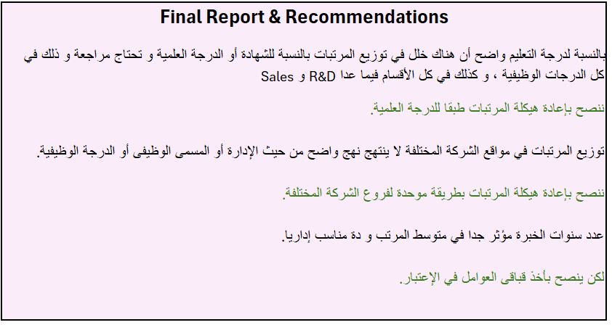
Analysis
Report

Dashboard

